Export báo cáo
 |  |  |  |  |  |  |  | https://stackoverflow.com/questions/2957269/counting-multiple-rows-in-mysql-in-one-query

 |  |  | PROVINCE_CODE |  | campaign_Sid

Thông tin |  |  |  |  |  |  |  | Số lượng Sampling |  | Test Phone

STT | Khu vực | Ngày thực hiện | Mã số CH | CH | SDT | Tên PGs | SL ca làm việc | Mẫu 1 | Mẫu 2 | Nhận Mẫu | Không nhận mẫu | Không nghe máy | TB ko liên lạc | Nhầm số | Sai số | Tổng
1 |  | 2020-01-07 |  | CH1 |  | A | 1 | 80 | 80 | 70 | 2 | 1 | 0 | 1 |  | 74
2 |  | 2020-01-07 |  | CH2 |  | B | 1 | 56 | 56 |  |  |  |  |  |  | 0
1 |  | 2020-01-08 |  | CH1 |  | A | 1 | 70 | 70 |  |  |  |  |  |  | 0
2 |  | 2020-01-08 |  | CH2 |  | B | 1 | 90 | 90 |  |  |  |  |  |  | 0

 |  | Lấy số tổng số lượng quà phát theo “ ngày - cửa hàng - campaign - mã tỉnh” |  |  |  | -> bỏ samplingh | COUNT |  |  | SELECT COUNT(fq.qc_answer_code) AS KBTT, fq.qc_username, fq.qc_answer_code FROM `form_qc` fq WHERE fq.qc_username = 'admin' AND fq.qc_answer_code = 'KBTT'
 |  |  | DATE
 |  | INPUT | CAMPAIGN
 |  |  | STORE
 |  |  | PROVINCE |  | http://0.0.0.0:9004/sql.php?db=unicharm_v2&table=form_qc&pos=0 |  |  |  |  |  | SELECT COUNT(fq.qc_answer_code) AS KBTT, fq.qc_username, fq.qc_answer_code FROM `form_qc` fq WHERE fq.qc_username = 'admin' AND = find_in_set(fq.qc_answer_code,SELECT fqa.code FROM form_qc_answer AS fqa) |  |  |  |  |  |  |  |  |  |  |  |  | REMOVE FORM_SAMPLING ???
 |  |  | PG (EMPLOYEE)
 |  |  |  |  |  |  |  |  |  |  |  |  |  |  |  |  |  |  |  |  |  |  | Plan – plan_form – sampling_form – sampling -employee
 |  |  |  |  |  |  |  |  |  |  |  |  |  |  |  |  |  |  | (_1-2_) | GET BY DATE | newest | new_v2
 |  |  |  |  | SELECT DISTINCT p.sid, p.start_date as p_start FROM `campaign` AS ca INNER JOIN plan AS p ON p.campaign_sid = ca.sid WHERE 1 |  | SELECT pf.plan_sid FROM `plan_form` AS pf INNER JOIN form_qc AS fc ON pf.sid = fc.form_sid |  |  |  |  |  |  |  |  |  |  |  | SELECT fq.qc_username, fq.qc_answer_code, COUNT(*) FROM ( SELECT fc.* FROM `form_qc` fc INNER JOIN ( SELECT pf.sid as form_sid FROM `plan_form` AS pf INNER JOIN ( SELECT p.sid FROM plan AS p WHERE p.start_date > '2020-07-01' ) AS p ON pf.plan_sid = p.sid ) AS p ON p.form_sid = fc.form_sid ) AS fq WHERE fq.qc_answer_code IN ( SELECT fqa.code FROM `form_qc_answer` fqa ) GROUP BY fq.qc_answer_code, fq.qc_username ORDER BY fq.qc_username |  | SELECT p.*, fc.qc_answer_code, fc.status FROM form_qc AS fc INNER JOIN ( SELECT pf.sid as form_sid FROM `plan_form` AS pf INNER JOIN ( SELECT p.sid FROM plan AS p WHERE p.start_date > '2020-07-01' ) AS p ON pf.plan_sid = p.sid ) AS p ON p.form_sid = fc.form_sid | SELECT p.*, fc.qc_answer_code, fc.status, fsa.pg_sid, fsa.sampling_id, sam.label FROM form_qc AS fc INNER JOIN ( SELECT pf.sid as form_sid FROM `plan_form` AS pf INNER JOIN ( SELECT p.sid FROM plan AS p WHERE p.start_date > '2020-07-01' ) AS p ON pf.plan_sid = p.sid ) AS p ON p.form_sid = fc.form_sid INNER JOIN form_sampling AS fsa ON p.form_sid = fsa.form_sid INNER JOIN sampling AS sam ON sam.sid = fsa.sampling_id INNER JOIN employee AS e ON fsa.pg_sid = e.sid |  | SELECT p.*, fc.qc_answer_code, fc.status, e.phone_number, e.full_name FROM form_qc AS fc INNER JOIN ( SELECT pf.sid as plan_form_sid , p.sid as plan_sid, pf.pg_sid, p.campaign_sid FROM `plan_form` AS pf INNER JOIN ( SELECT p.sid, p.campaign_sid FROM plan AS p WHERE p.start_date > '2020-07-01' AND p.campaign_sid = '8c8426b270b545d893eadbf5ab5bf24a' )AS p ON pf.plan_sid = p.sid ) AS p ON p.plan_form_sid = fc.form_sid INNER JOIN employee AS e ON p.pg_sid = e.sid INNER JOIN sampling AS sam ON p.campaign_sid = sam.campaign_id
 |  |  |  |  |  |  |  |  |  |  |  |  |  |  |  | (_1_) | (_2_) | PLAN / PLAN_FORM
 |  |  |  |  |  |  |  |  |  |  |  |  |  |  |  | SELECT fq.qc_username, fq.qc_answer_code, COUNT(*) FROM `form_qc` fq WHERE fq.qc_answer_code IN ( SELECT fqa.code FROM `form_qc_answer` fqa ) GROUP BY fq.qc_answer_code, fq.qc_username ORDER BY fq.qc_username | SELECT pf.sid as form_sid FROM `plan_form` AS pf INNER JOIN ( SELECT p.sid FROM plan AS p WHERE p.start_date > '2020-07-01' ) AS p ON pf.plan_sid = p.sid
 |  |  |  |  |  |  |  |  |  | SELECT SUM( IF( fq.qc_answer_code = 'NM', 1, 0 ) ) NM, SUM( IF( fq.qc_answer_code = 'KNM', 1, 0 ) ) KNM, SUM( IF( fq.qc_answer_code = 'KBTT', 1, 0 ) ) KBTT, SUM( IF( fq.qc_answer_code = 'SS', 1, 0 ) ) SS, SUM( IF( fq.qc_answer_code = 'TB', 1, 0 ) ) TB, SUM( IF( fq.qc_answer_code = 'KNDT', 1, 0 ) ) KNDT FROM `form_qc` fq WHERE fq.qc_username = 'admin'
 |  |  |  |  | campaign_Sid | FORM_QC
 |  |  |  |  |  | PLAN_FORM
 |  |  |  | CAMPAIGN → | PLAN → | + |  |  |  |  | SELECT fq.qc_answer_code, COUNT(*) FROM `form_qc` fq WHERE fq.qc_answer_code IN ('NM','KNM','KBTT','SS','TB','KNTD') AND fq.qc_username = 'admin' GROUP BY fq.qc_answer_code
 |  |  |  | + |  | PLAN PARTICIPANT
 |  |  |  | SAMPLE |  | STORE
 | SELECT sam.sid, sam.label FROM `sampling` AS sam INNER JOIN sampling_detail as sd ON sam.sid = sd.sampling_sid |  |  | SAMPLING DETAIL |  | EMPLOYEE |  | SELECT plp.plan_sid, e.full_name as pg_name, e.phone_number, s.name as s_name, s.code as s_code, s.label as r_label FROM `plan_participaint` AS plp INNER JOIN employee AS e ON plp.pg_sid = e.sid INNER JOIN ( SELECT s.name,s.code, r.label, s.sid FROM store AS s INNER JOIN region AS r ON s.region_id = r.id ) AS s ON plp.store_sid = s.sid WHERE plp.plan_sid IS NOT NULL
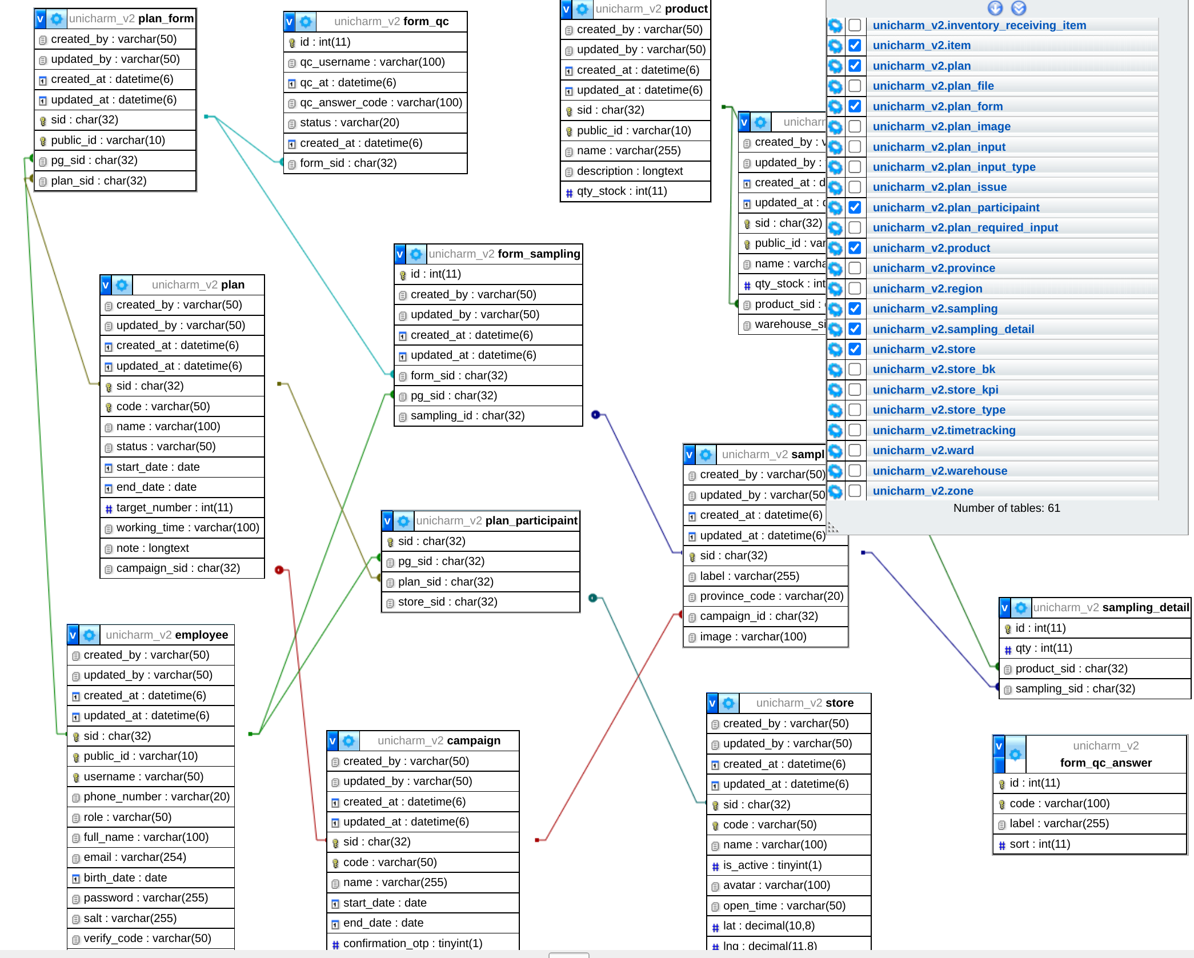

 |  |  |  |  |  |  |  |  |  |  |  |  | plan
 |  |  |  |  |  |  |  |  |  |  |  |  | plan_form

 |  |  |  |  |  |  |  |  |  |  |  |  | SELECT pf.sid as form_sid FROM `plan_form` AS pf INNER JOIN plan AS p ON pf.plan_sid = p.sid

 |  |  |  |  |  |  |  |  |  |  |  |  | SELECT * FROM `form_qc` AS fq INNER JOIN ( SELECT pf.sid as form_sid FROM `plan_form` AS pf INNER JOIN plan AS p ON pf.plan_sid = p.sid ) as plf ON plf.form_sid = fq.form_sid

 |  |  |  |  |  |  |  |  |  |  |  |  | SELECT fq.qc_username, fq.qc_answer_code FROM `form_qc` AS fq INNER JOIN ( SELECT pf.sid as form_sid FROM `plan_form` AS pf INNER JOIN plan AS p ON pf.plan_sid = p.sid ) as plf ON plf.form_sid = fq.form_sid WHERE fq.status = 'DONE'

 |  | https://stackoverflow.com/questions/28736721/multiple-row-count-from-single-table

